India Data
Range of estimates from studies reviewed in Sources 1 and 2:
Study | Year | Value (Millions) | Currency | Converted to 2012 USD
Nathalie et al. | 1999 | 255500 | 1999 USD | $352,108 | |
S Madheswaran | 2004 | 15000000 | INR (assumed to be 2004) | $418,343 | | <-- Source 1 (2016)
K R Shanmugam and S Madheswaran | 2011 | 3400000 | 1990 USD | $5,972,606 | |
Agamomi Majumder & S Madeshwaran | 2018 | 44690000 | INR (assumed to be 2016) | $629,155 | |
Shanmugam | 1997 | 16500000 | INR (assumed to be 1997) |  | | <--- Source 2 (2018)
Shanmugam | 2001 | 56000000 | INR (assumed to be 2001) |  | |
Shanmugam | 2010 | 20000000 | INR (assumed to be 2010) |  | |
OECD | 2014 | 602000 | 2010 USD | $633,854 | <-- Source 3 (2014)

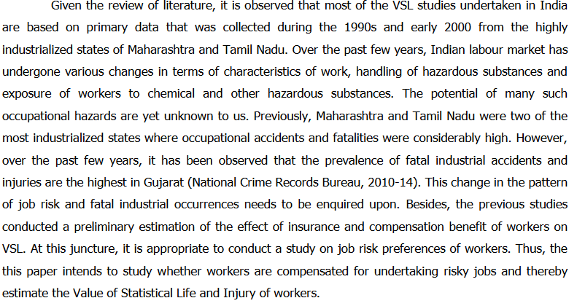
Data from cpi.xlsx
Year (U.S. dollars) | CPI-U | Multiply by to get 2012 Dollars
1990 | 130.7 | 1.757
1999 | 166.6 | 1.378
2004 | 188.9 | 1.215
2012 | 229.594 | 1
2016 | 240.007 | 0.957
2010 | 218.056 | 1.053

Exhange Rate (INR per USD)
2004 | 43.58 | see scaling-factors.xlsx for source info
2016 | 67.95 | see scaling-factors.xlsx for source info

Selected VoaSL
Majumder&Madheswaran use a new method, the hedonic wage approach, due to changes in the |  |  |  | Source 2: http://www.isec.ac.in/WP%20407%20-%20Agamoni%20Majumder%20and%20Madheswaran%20-%20Final.pdf
Indian labour market since the 90s, and the change in patterns in job risk, fatal industrial incidents, |  |  |  | Page 3
and job risk preferences of workers - the 2018 estimate is thus higher. We use this estimate as it is
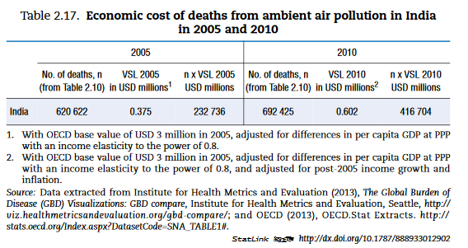
reflective of the changes mentioned above

$629,155 | 2012 USD
This is in the similar range as the OECD estimate (Source 3)

 |  |  | Source 3:
 |  |  | http://www.sviva.gov.il/english/env_topics/airquality/pollutionfromtransportation/documents/the-cost-of-air-pollution-oecd-report-2014.pdf
 |  |  | Table 2.17. Page 61

